виправлення
Test Case | https://kurs.com.ua/

69489616 |  |  | 319816666
Verify that the 'Your city' filter contains cities other than the selected one, which are distributed by regions of Ukraine |  |  | Make sure that when you enter the link to the non-existent page "Cars" in the address bar, the site generates an error
Step | Action | Expected Result | Step | Action | Expected Result
1 | Preconditions: Make sure the DB contains an 'All Cities' ; Make sure the DB contains at least 10 cities that are grouped by region |  | 1 | Open the main page of the site https://kurs.com.ua/ | The main page is open
2 | Click ‘Your city’ dropdown | The dropdown opens and contain 'All cities' | 2 | In the address bar, enter a non-existent page on the site "Cars" (https://kurs.com.ua/cars) | The page opens with the message "Unfortunately, there was a problem The requested page does not exist Error code: 1S160/2"
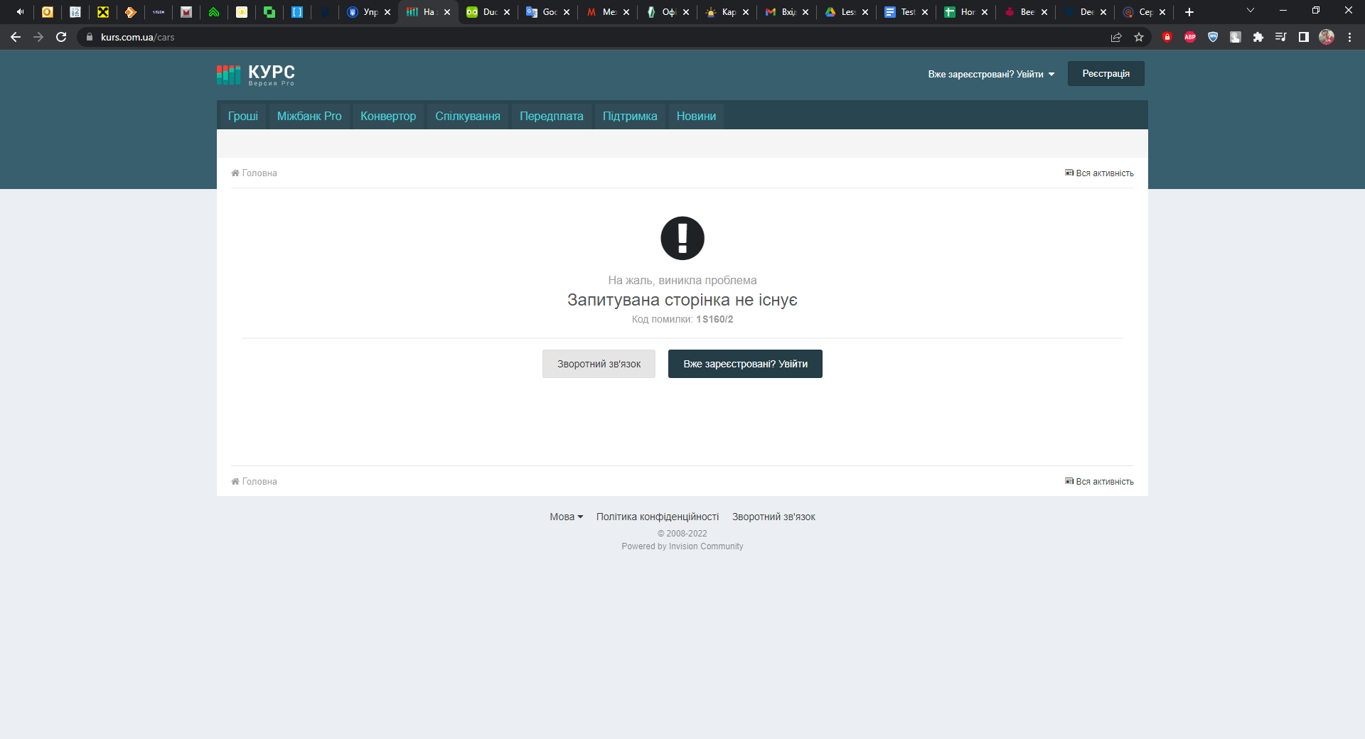
3 | Click ‘All Cities’ section | The section contains a list of Ukrainian regions
4 | Verify the ‘Poltava region’ section | The section contains more than 10 cities

946843
Check the field for entering card data when buying BitCoin cryptocurrency online
Step | Action | Expected Result
1 | Preconditions: Make sure the "Currency" contains an 'BitCoin'; Make sure that the 'BitCoin' currency contains a 'Buy' button
2 | Click ‘Currency’ dropdown | The dropdown opens and contain 'Сryptocurrency'
3 | Click ‘Сryptocurrency’ section | The section contains 'BitCoin' currency
4 | Click the 'Buy' button | A page opens where you can manage the required amount of currency for purchase and select exchange methods.
5 | In the "How much to receive" field, enter the amount of currency required to receive 0.1 BTC and click the "Exchange" button | The page of the currency exchange point opens with fields for filling in payment card data

19268 |  |  | 111159789
Make sure that in the "Exchanges" section, when exchanging Solana cryptocurrency for Ukrainian hryvnia through Monobank, a window for entering bank card data opens |  |  | Verify that if you enter incorrect data during registration, for example, the "*" symbol instead of the "@" symbol in the email field, you will not be able to create an account
Step | Action | Expected Result | Step | Action | Expected Result
1 | Preconditions: Make sure the ‘Courses’ contains an 'Web.money' |  | 1 | Enter the address of the main registration page in the address bar https://kurs.com.ua/store/?do=register | The main registration page is open
2 | Open dropdown in the 'We give back' on the 'Web.money' page (Courses>Web.money) | The dropdown opens | 2 | Click the 'Registration' button | The page for entering registration data opens
3 | Click ‘Solana’ | The Solana is available | 3 | Verify that if you enter incorrect data during registration, for example, the "*" symbol instead of the "@" symbol in the email field, you will not be able to create an account | If you enter the "*" symbol instead of the "@" symbol in the email field, the registration form does not allow you to create an account. A pop-up prompt displays the error "The email address must contain an "@" sign. The email address "serhiizombra*gmail.com" does not contain the "@" sign."
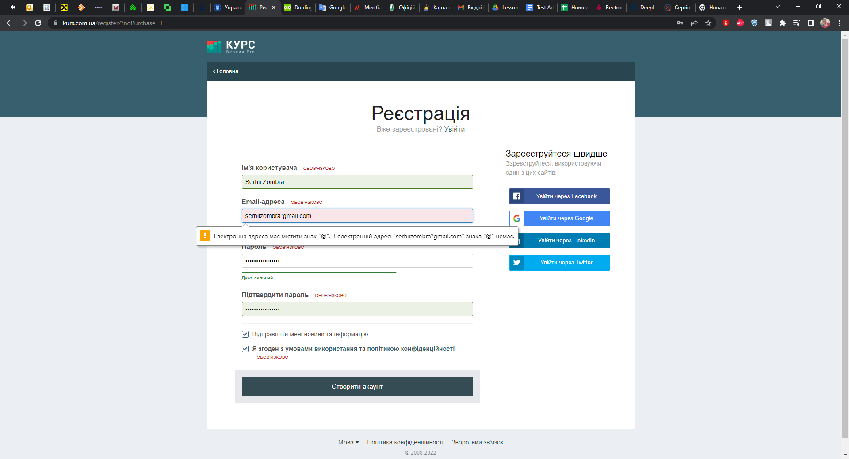
4 | Open dropdown in the 'We get' on the 'Web.money' page (Courses>Web.money) | The dropdown opens
5 | Click ‘MonobUAH’ | The Monobank is available
6 | Enter the required amount of currency to be exchanged in the "How much do you need to exchange" field in the amount of 100 SOL and click the "Exchange" button | The page of the currency exchange point opens with fields for filling in payment card data

1578
Verify that the 'Hamburger Menu' displays news in the form of a list
Step | Action | Expected Result
1 | Click the 'News' in the header | Opens the news page
2 | Click the "Hamburger" button in the "Main" section | The page is updated and the news is sorted in the form of a list
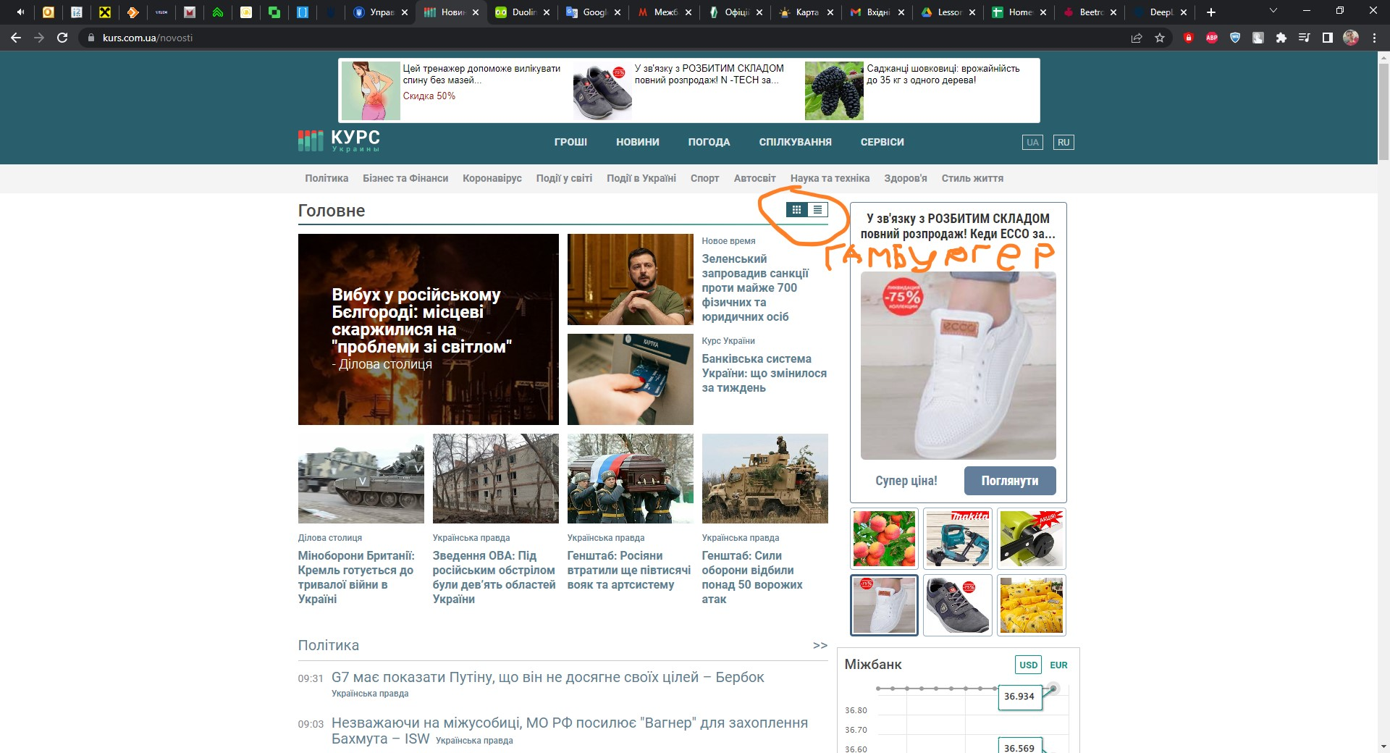
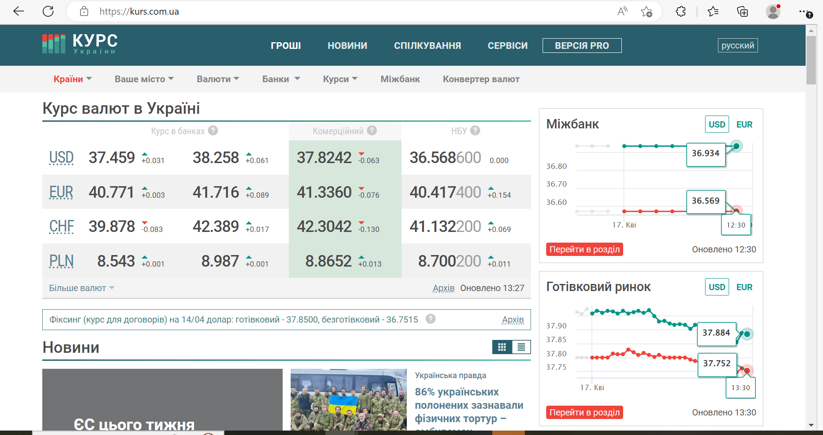

48247
Verify that the dropdown 'Paid Products' filter in the footer really contains paid services
Step | Action | Expected Result
1 | Preconditions: Make sure the DB contains at least six records in 'Paid Products' table;
2 | Click dropdown filter 'Paid Products' | The dropdown list opens and contain six services
3 | Click and verify the 'ProVersion' is paid service | A form for payment for services opens
4 | Click and verify the 'Add "Currency exchange office"(Add CEO) is paid service | A form for payment for services opens

BUG REPORT | ID 564184143
Field | Value
Page | https://kurs.com.ua/
Browser | Google Chrome 112.0.5615.121
Operating system | Windows 10
Problem | The list of all currencies is not displayed when you click the "All currencies" button in the "Currencies" drop-down list
Steps | 1. Open the website https://kurs.com.ua/ in the Google Chrome browser
 | 2. Click the "All currencies" button in the "Currencies" drop-down list
 | 3. View the page and make sure that the full list of currencies is not available.
Expected result | You should see a list of all currencies in the world.
Actual result | A blank page is displayed
Severity | Critical
Priority | Medium

